Instructions
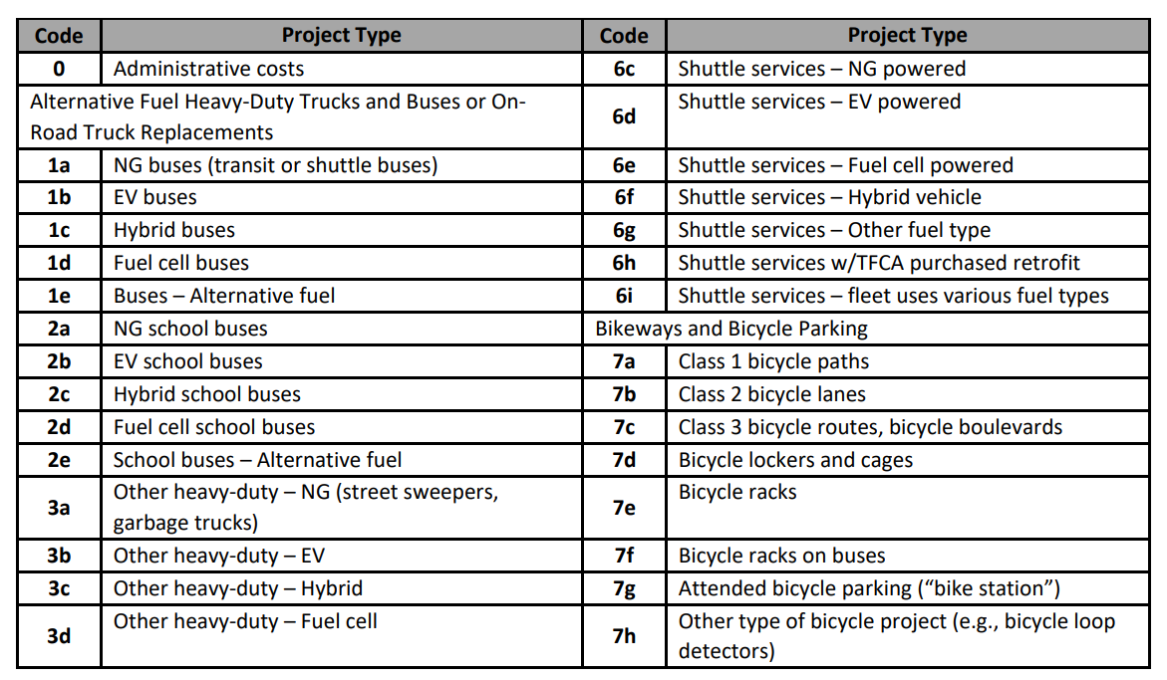
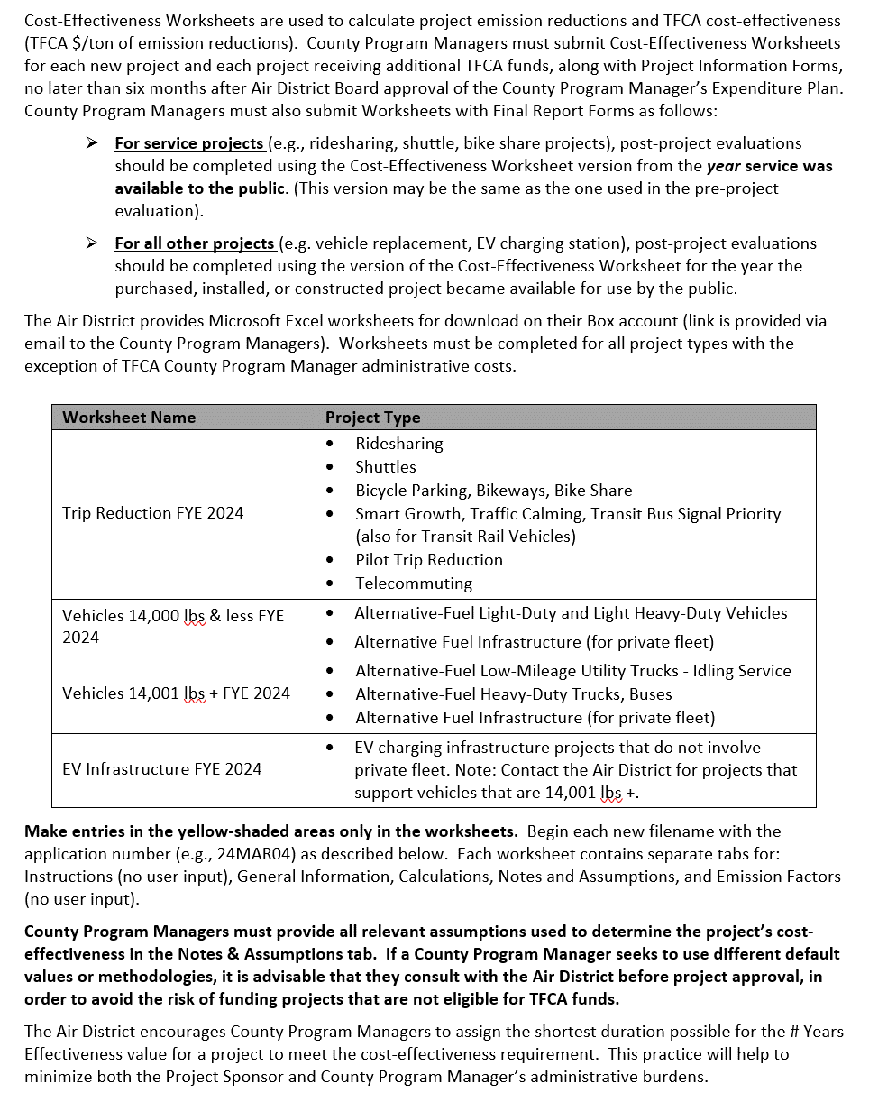
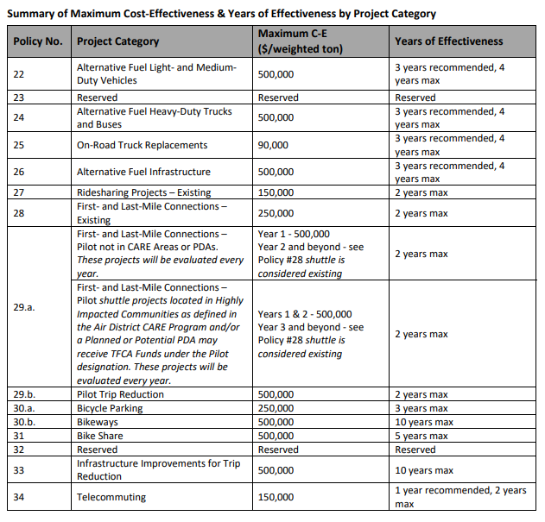
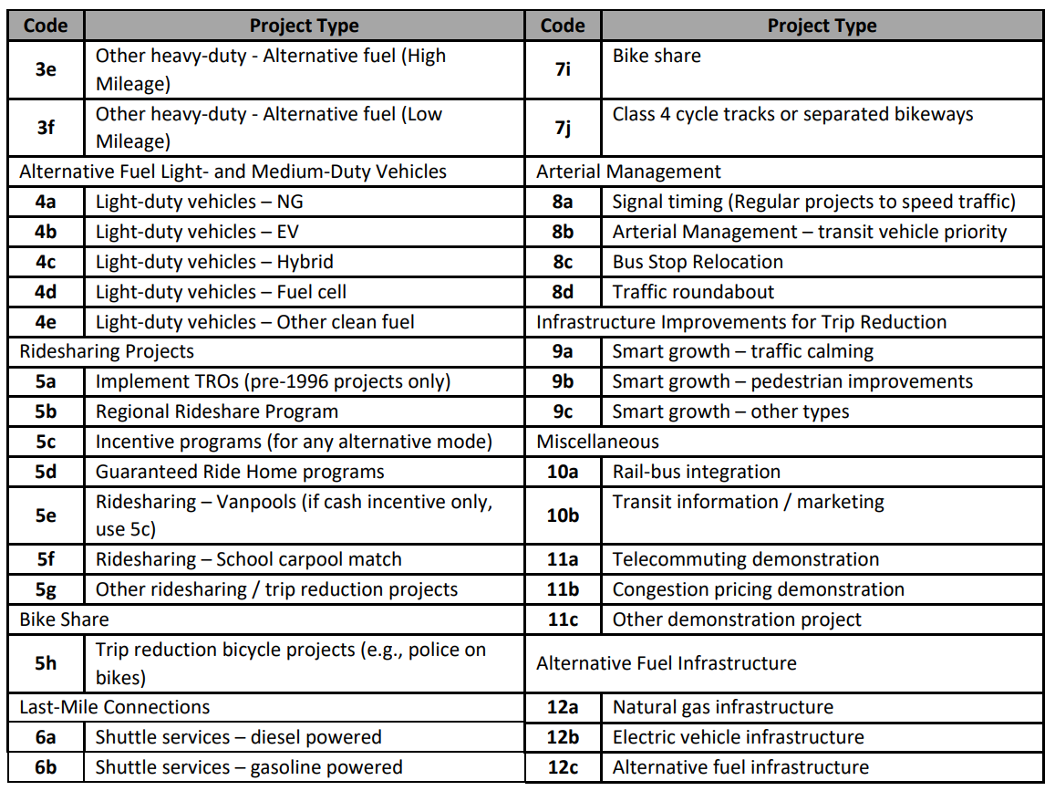
VEHICLE 14,000 lbs + WORKSHEET
FYE 2024 TFCA County Program Manager Fund Worksheet
Version 2024, Updated 12/23/2022

Detailed instructions are available in Appendix H of the County Program Manager Fund Expenditure Plan Guidance Fiscal Year Ending 2024 at:
http://www.baaqmd.gov/tfca4pm

Notes & Assumptions
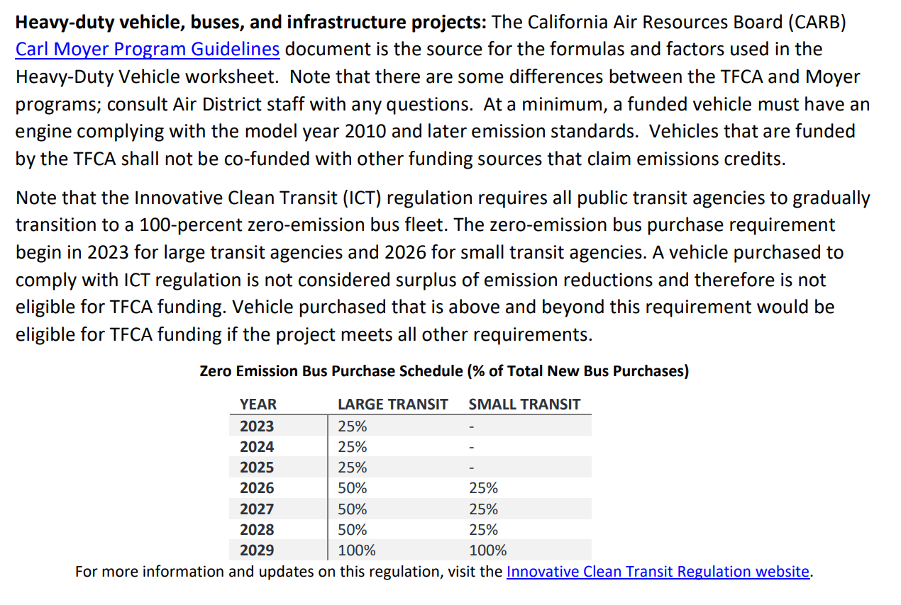
Notes & Assumptions

Provide all assumptions, rationales, and references for figures used in calculations.

If funding more than one vehicle, each vehicle must be shown to be cost-effective. The worksheet calculates the cost-effectivenes of each vehicle separately, so only one worksheet is required when more than one vehicle is being considered for funding.

