Instructions
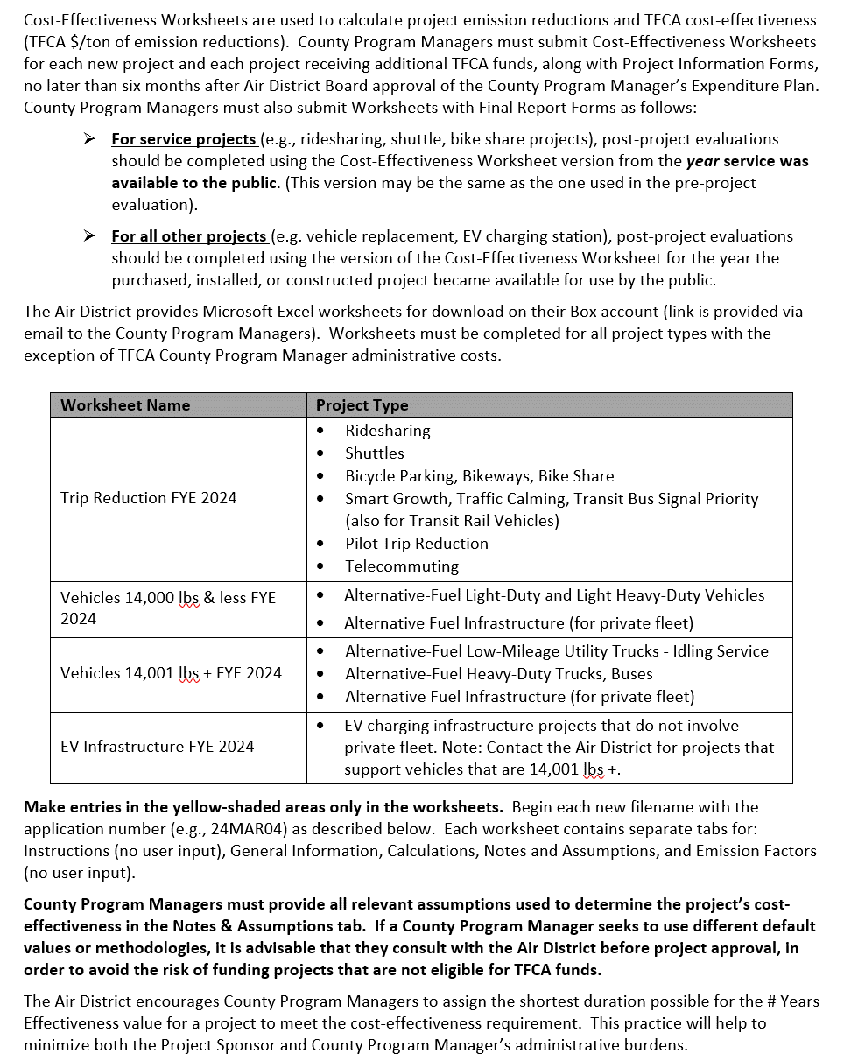
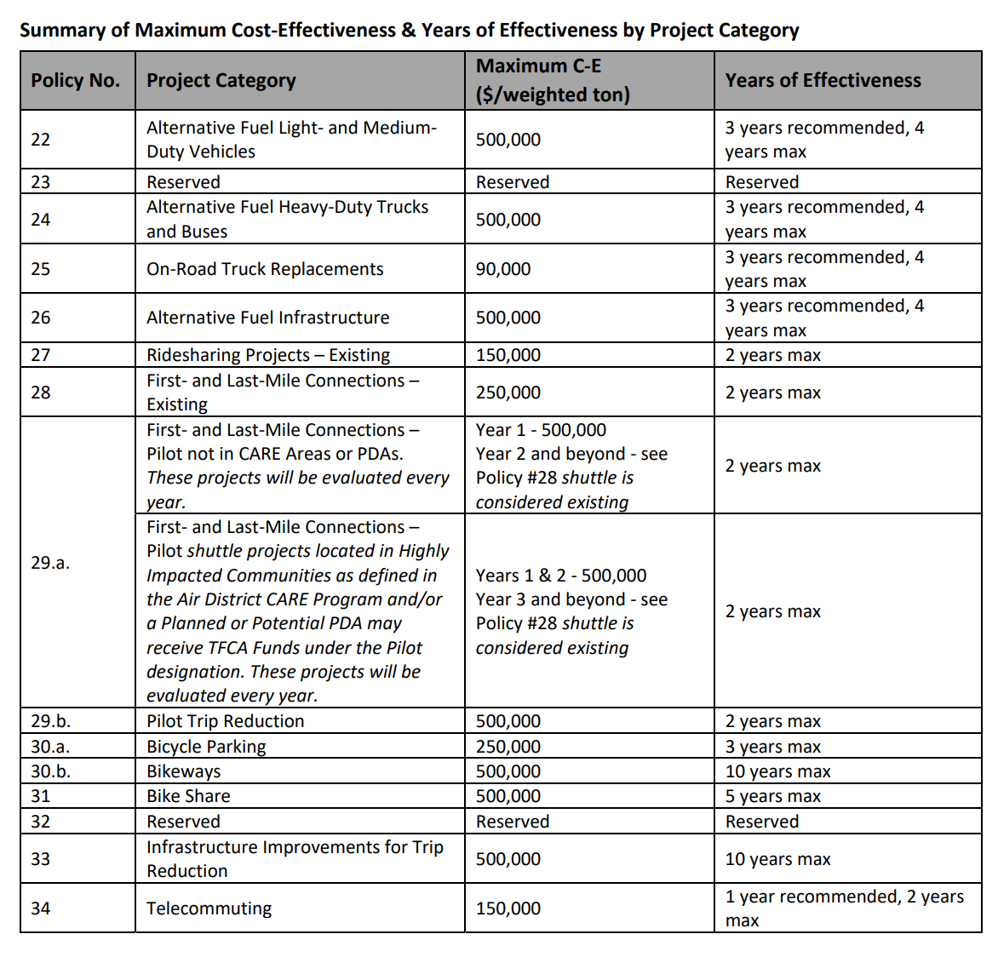
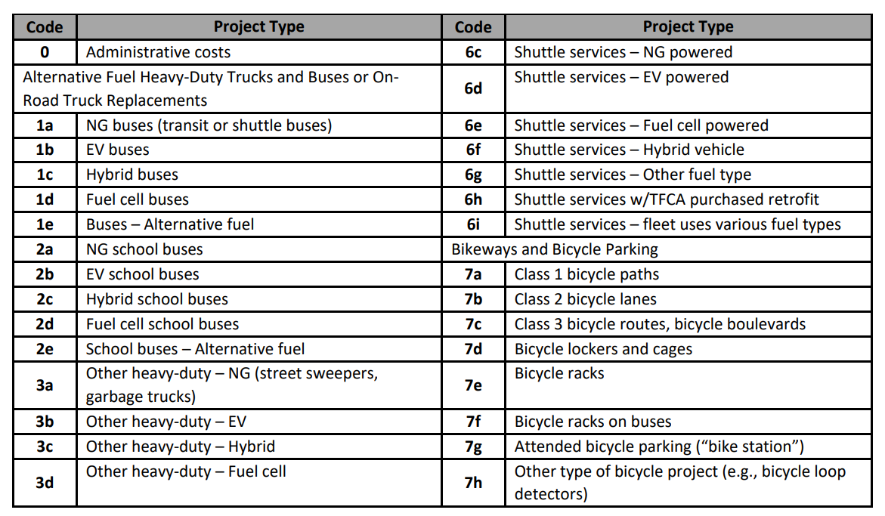
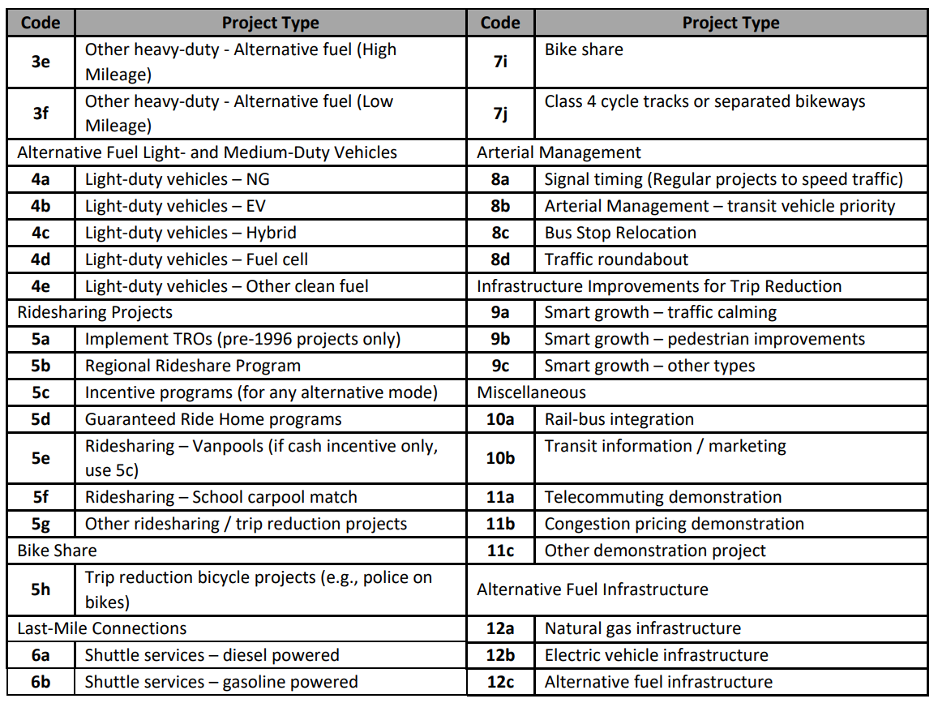
ARTERIAL MANAGEMENT PROJECTS
FYE 2024 TFCA County Program Manager Fund Worksheet
Version 2024, Updated 1/9/2023

Detailed instructions are available in Appendix H of the County Program Manager Fund Expenditure Plan Guidance Fiscal Year Ending 2024 at:
http://www.baaqmd.gov/tfca4pm

CE Calc
ARTERIAL MANAGEMENT PROJECTS
FYE 2024 TFCA County Program Manager Fund Worksheet
Version 2024, Updated 1/9/2023

Calculations Tab: Complete areas shaded in yellow.

Cost Effectiveness Inputs
# Years Effectiveness:
Total Project Cost:
TFCA Cost 40%:
TFCA Cost 60%: |  | N/A |  | TFCA Regional Fund Proj. #: | N/A
Total TFCA Cost: |  | $0

Emission Reduction Calculations
A | B | C | D | E | F | G | H | I | J | K | L
Name of Arterial, Direction | Segment Length (miles) | Days/Yr. | Time Period | Traffic Volume During Time Period | Travel Speed w/o Project | Travel Speed w/ Project | Percent Speed Increase | ROG Emission Reductions (lbs/yr) | NOx Emission Reductions (lbs/yr) | PM Emission Reductions (lbs/yr) | CO2 Emission Reductions (lbs/yr) | Average Speed w/ Avg. Increase | Fraction of Speed w/o Project | Fraction of Speed w/ Project | ROG Emission Factor w/o Project | ROG Emission Factor w/ Project | NOx Emission Factor w/o Project | NOx Emission Factor w/ Project | PM Emission Factor w/o Project | PM Emission Factor w/ Project | CO2 Emission Factor w/o Project | CO2 Emission Factor w/ Project
Existing Vehicles
SAMPLE--San Pablo, Northbound | 4.5 | 250 | 7AM - 9AM | 7,000 | 21.5 | 25.0 | 16.3% | 173.46 | 303.55 | 23.42 | 285339 | 23.25 | 0.50 | 0.25 | 0.0700 | 0.0600 | 0.3950 | 0.3775 | 0.0108 | 0.0095 | 309.9000 | 293.4500
 |  |  |  |  | 5.0 | 5.0 | 0.0% | 0.00 | 0.00 | 0.00 | 0 | 5.00 | 0.00 | 0.00 | 0.2500 | 0.2500 | 0.8300 | 0.8300 | 0.0216 | 0.0216 | 592.0000 | 592.0000
 |  |  |  |  | 5.0 | 5.0 | 0.0% | 0.00 | 0.00 | 0.00 | 0 | 5.00 | 0.00 | 0.00 | 0.2500 | 0.2500 | 0.8300 | 0.8300 | 0.0216 | 0.0216 | 592.0000 | 592.0000
 |  |  |  |  | 5.0 | 5.0 | 0.0% | 0.00 | 0.00 | 0.00 | 0 | 5.00 | 0.00 | 0.00 | 0.2500 | 0.2500 | 0.8300 | 0.8300 | 0.0216 | 0.0216 | 592.0000 | 592.0000
 |  |  |  |  | 5.0 | 5.0 | 0.0% | 0.00 | 0.00 | 0.00 | 0 | 5.00 | 0.00 | 0.00 | 0.2500 | 0.2500 | 0.8300 | 0.8300 | 0.0216 | 0.0216 | 592.0000 | 592.0000
 |  |  |  |  | 5.0 | 5.0 | 0.0% | 0.00 | 0.00 | 0.00 | 0 | 5.00 | 0.00 | 0.00 | 0.2500 | 0.2500 | 0.8300 | 0.8300 | 0.0216 | 0.0216 | 592.0000 | 592.0000
 |  |  |  |  | 5.0 | 5.0 | 0.0% | 0.00 | 0.00 | 0.00 | 0 | 5.00 | 0.00 | 0.00 | 0.2500 | 0.2500 | 0.8300 | 0.8300 | 0.0216 | 0.0216 | 592.0000 | 592.0000
Clean Fuel Vehicle
Clean Fuel Vehicles
Clean Fuel Vehicles
Clean Ful Vehicles
Clean Fuel Vehicles
CleanFuel Vehicles
 |  |  |  |  |  | Total Emission Reductions |  | 0.00 | 0.00 | 0.00 | 0

Cost Effectiveness Results |  |  | Annual | Lifetime
1. ROG Emissions |  |  | 0.00 | 0.00 | Tons
2. NOx Emissions |  |  | 0.00 | 0.00 | Tons
3. PM Emissions |  |  | 0.00 | 0.00 | Tons
4. Weighted PM Emissions |  |  | 0.00 | 0.00 | Tons
5. CO2 Emissions Reduced |  |  | 0.00 | 0.00 | Tons
6. Emission Reductions (ROG, NOx & PM) |  |  | 0.00 | 0.00 | Tons
7. TFCA Project Cost - Cost Effectiveness (ROG, NOx & PM) |  |  |  | #DIV/0! | /Ton
8. TFCA Project Cost - Cost Effectiveness (ROG, NOx & Weighted PM). THIS VALUE MUST MEET POLICY REQUIREMENTS. |  |  |  | #DIV/0! | /Ton

