Instructions

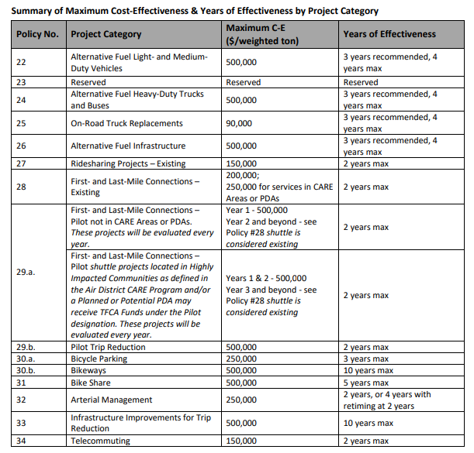
ELECTRIC VEHICLE (EV) INFRASTRUCTURE PROJECTS
FYE 2023 TFCA County Program Manager Fund Worksheet
Version 2023.1, Updated 12/23/2021

Detailed instructions are available in Appendix H of the County Program Manager Fund Expenditure Plan Guidance Fiscal Year Ending 2023 at:
http://www.baaqmd.gov/tfca4pm

Notes and assumptions
Notes & Assumptions

Provide all assumptions, rationales, and references for figures used in calculations.
Conversion Factors
Grams per Ton |  | 907185 | grams/ton'
Miles / kWh |  | 3.36 | miles/kWh

Charging Station Type
Charging Station: Also known as electric vehicle supply equipment (EVSE), consists of the conductors, including the ungrounded, grounded, and equipment grounding conductors and the electric vehicle connectors, attachment plugs, and all other fittings, devices, power outlets, or apparatus installed specifically for the purpose of delivering energy from the premises wiring to the electric vehicle. (http://www.psrc.org/assets/3729/A_NEC_625_2008.pdf). Charging stations fall into one of these three types:

Level 1 | : A charging station that supplies electricity to a PEV’s onboard charger in the form of alternating current. Level 1 charging stations use a 120V AC connection
Level 2 | : A charging station that supplies electricity to a PEV’s onboard charger in the form of alternating current. Level 2 charging stations require a 208/240V AC connection.
DC Fast | : A charging station that uses an external charger, and supplies electricity in the form of direct current, typically at a rate of 40KW or higher.

Inputs | Assumptions
Cost Effectiveness Inputs, # Years Effectiveness | 3 years is recommended - Not to exceed 4 years
Charger ID (Column A) | List each charger separately
Description (Column B) | Enter description
Type (Column C) | Select the type of charger from the dropdown menu, charger types are defined in "Notes and Assumption" tab
Rate (KW) (Column D) | Enter the equipment's Rate kW
Total TFCA Funding (O3) | Enter the total amount of TFCA funding requested for all chargers
Annual Usage (kWh) (Column G) | (Rate kW) x (charger's estimated hours of usage per day) x (365 days per year) x (quantity of chargers).

