Instructions
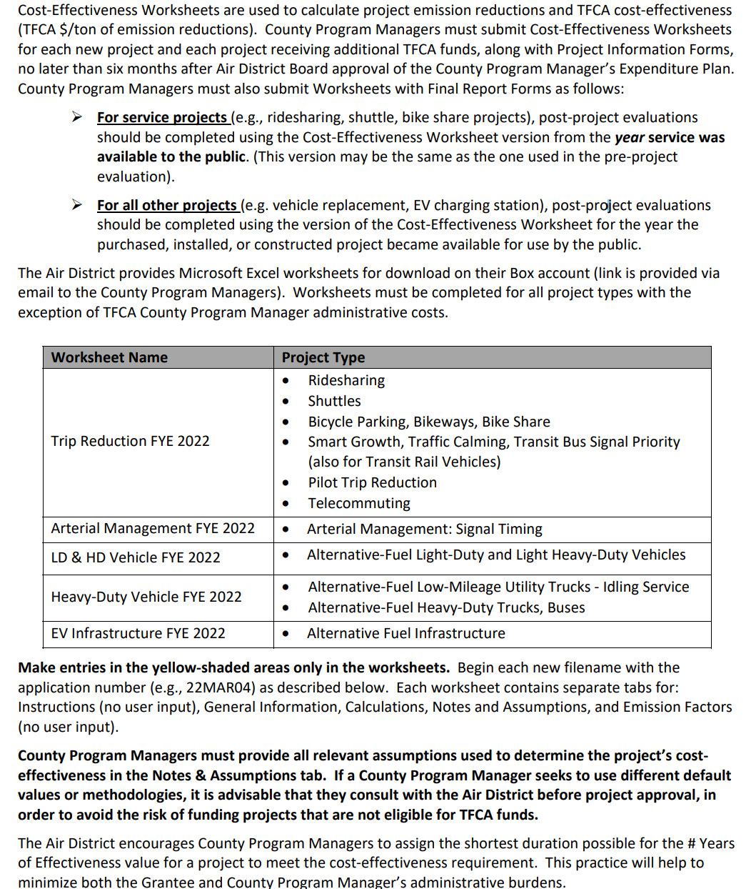
VEHICLE 14,000 lbs + WORKSHEET
FYE 2022 TFCA County Program Manager Fund Worksheet
Version 2022.1, Updated 2/2/2021

Detailed instructions are available in Appendix H of the County Program Manager Fund Expenditure Plan Guidance Fiscal Year Ending 2022 at:
http://www.baaqmd.gov/tfca4pm

