Instructions
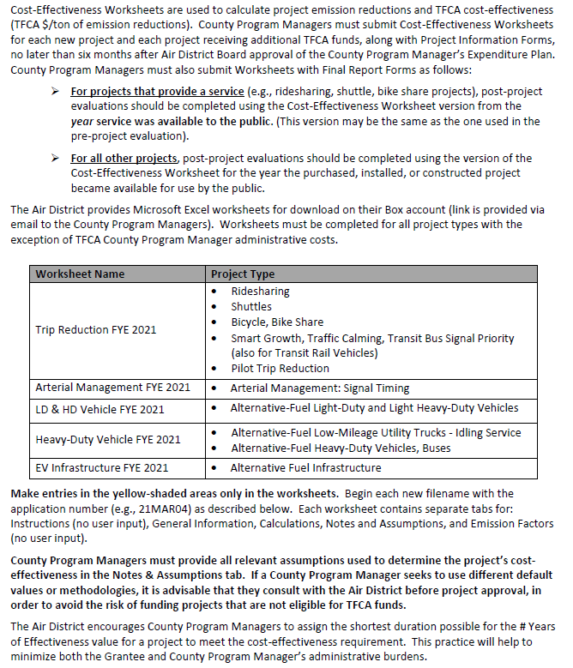
ALTERNATIVE FUEL HEAVY DUTY VEHICLE WORKSHEET
FYE 2021 TFCA County Program Manager Fund Worksheet
Version 2021.1, Updated 1/27/2020

Detailed instructions are available in Appendix H of the County Program Manager Fund Expenditure Plan Guidance Fiscal Year Ending 2021 at:
http://www.baaqmd.gov/tfca4pm

