Instructions
LIGHT-DUTY AND LIGHT HEAVY-DUTY VEHICLE PROJECTS
FYE 2021 TFCA County Program Manager Fund Worksheet
Version 2021.1, Updated 2/29/2020

Instructions are available in Appendix H of the County Program Manager Fund Expenditure Plan Guidance Fiscal Year Ending 2021 at:
http://www.baaqmd.gov/tfca4pm

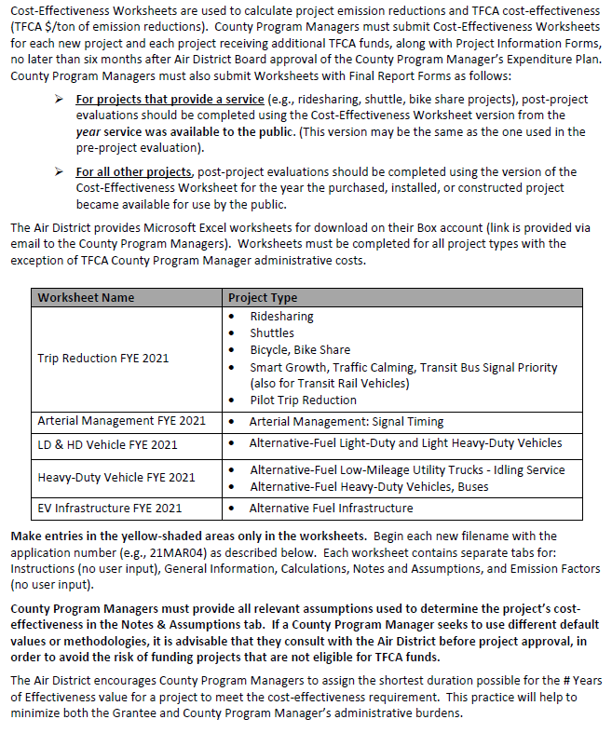

 | Column | Column Title | Description/Instruction
 | B | Unit #/ID | Unique ID for vehicle
 | C | Incremental Cost | Cost difference between baseline vehicle and proposed clean vehicle
 | D | Amount Requested | Award amount requested for the vehicle
 | E | Baseline Fuel Type | For fleet expansion projects, select N/A
 | F | Vehicle Class | Choose passenger car, light-duty truck, light-heavy-duty truck, medium-duty vehicle, or or motorcycle
 | G | Avg Annual Miles | Enter average miles vehicle will operate annually
 | H | Vehicle Purchase Year | Enter 2020 or 2021
 | I-L | Baseline Emissions Standard - See Emission Factors Table (gr/mi) or CARB Executive Order | Enter or link the applicable emission rate for the baseline vehicle for the proposed vehicle purchase year
 | M-P | Proposed Vehicle Emission Standard. - See Emission Factors Table (gr/mi) | Enter or link the applicable emission rate for the proposed vehicle for the vehicle purchase year; enter 0.00 for emission rates with "NA"
 | Q-T | Emission Reductions (gr/yr) | Automatically calculated
 | U | Cost-Effectiveness ($ / weighted ton) | Automatically calculated

