Instructions
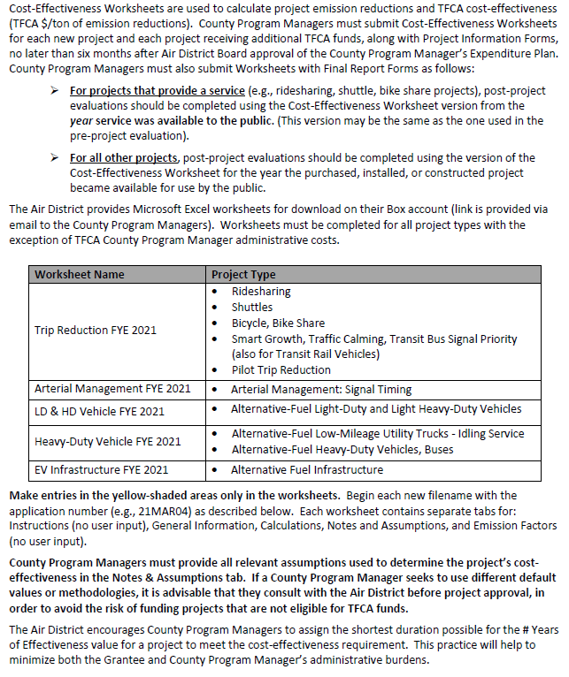
RIDESHARING, BICYCLE, SHUTTLE, AND SMART GROWTH PROJECTS
FYE 2021 TFCA County Progam Manager Fund Worksheet
Version 2020.2, Updated 9/20/19

Detailed instructions are available in Appendix H of the County Program Manager Fund Expenditure Plan Guidance Fiscal Year Ending 2021 at:
http://www.baaqmd.gov/tfca4pm

